Invocice
PIONEER SERVICES

 |  | Date | 29 July 2024
 |  | Invoice # | 5
M/S Bank Al-Falah Limited Pakistan |  | NTN # | 4312149-7
NTN # 0698202-6

Attn: Mr. Waseem

Invoice

Summary of Final Bill against Purchased Order # 269526

S.No | Description |  | Total Amount

i | Total Cost of Work |  | 29,896,814

ii | Claimed amount 30% |  | 8,969,044

a | Material (Supply) 70% |  | 6,278,331
b | Labour (Services) 30% |  | 2,340,420
c | Add 15% SST (Services): |  | 351,063

 | Total Payable Amount |  | 8,969,814

for PIONEER SERVICES

 | Tax on material 5.5% & on lab 11% | 345,308 | 296,063 | -
 | Less 5/118% on material amount due to Unregistered | 266,031 |  | -
 | 20% SRB on Lab |  | 70,212.60 | -

 |  |  | 7,992,199

Summary
PIONEER SERVICES

Overhauling, Repairing & Replacement |  |  |  | 29-Jul-24
of Air Handling Units

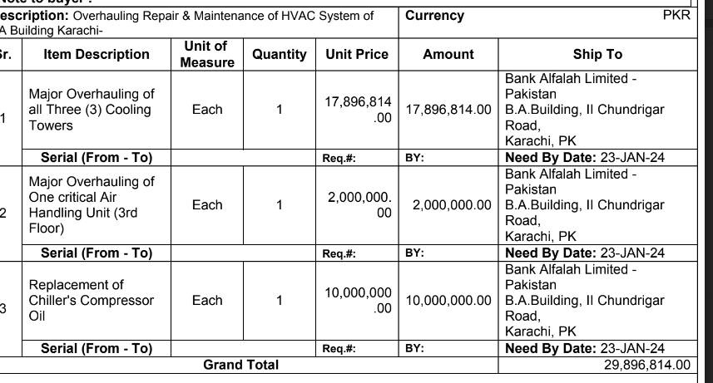
SUMMARY OF FINAL BILL

S.No | Description | Material Amount | Labour Amount | Total Amount
1 | Air Handling Unit - 3rd Floor (A/B) | 375,915 | 108,853 | 484,768 | 112,775 | 32,656
2 | Chillers (Rooftop Plantroom) | 2,961,150 | 576,470 | 3,537,620 | 888,345 | 172,941
3 | Cooling Towers (Rooftop) | 4,459,395 | 487,262 | 4,946,657 | 1,337,819 | 146,178
 | Total Amount | 7,796,460 | 1,172,584 | 8,969,044

 |  |  |  |  | 8,969,044

 |  | - | -

 | Less 5.5% on Material Amount | -
 | Less 5/118% on material amount due to Unregistered | -

 | Less 11% on Labour | -
 | Less 20% on SST | -

 | Total Deductins | -

 | Net Payable | -

 | Received on 08 March 24 | -

 |  | NIL

